Test Cases - Funtional
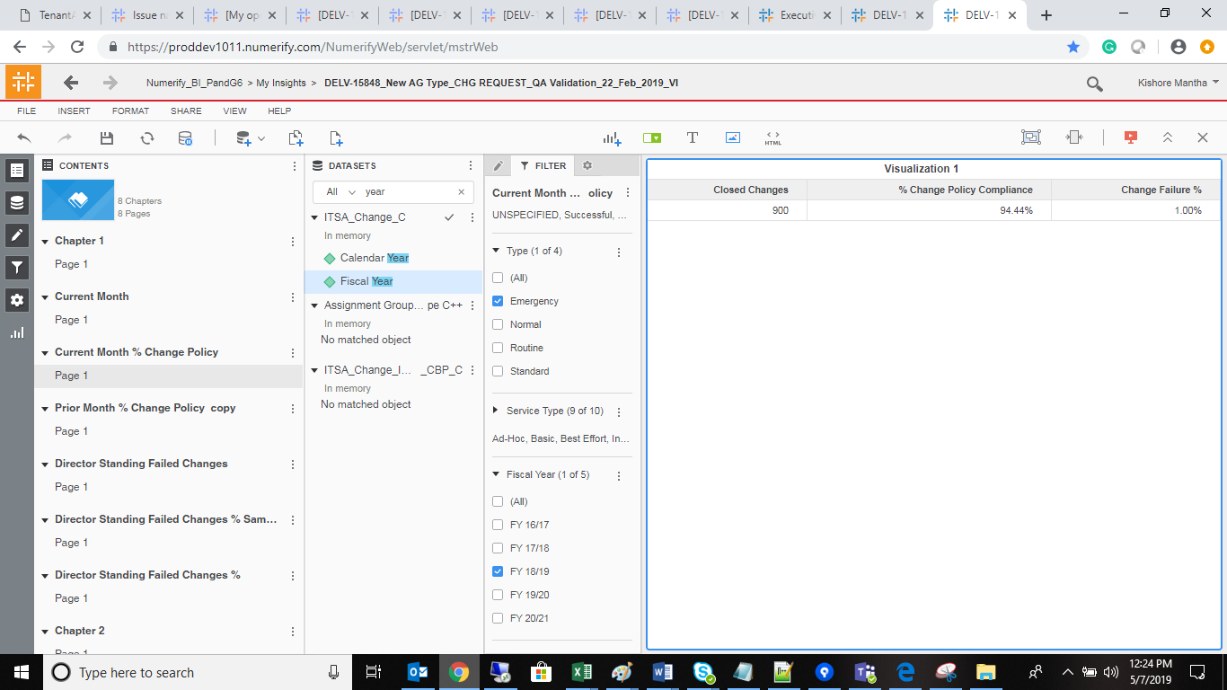
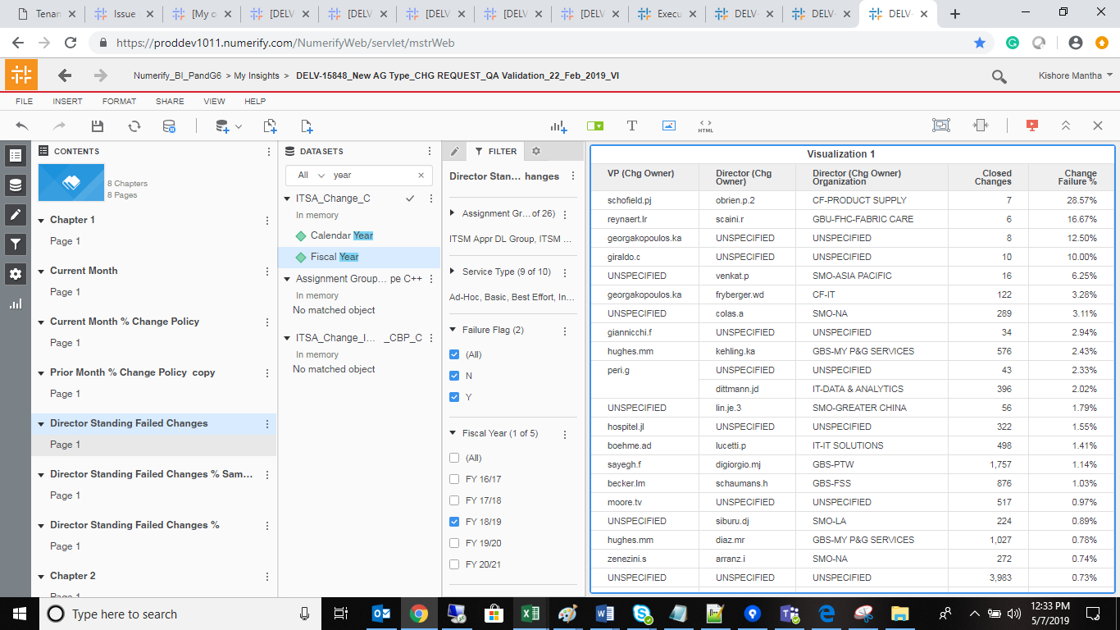
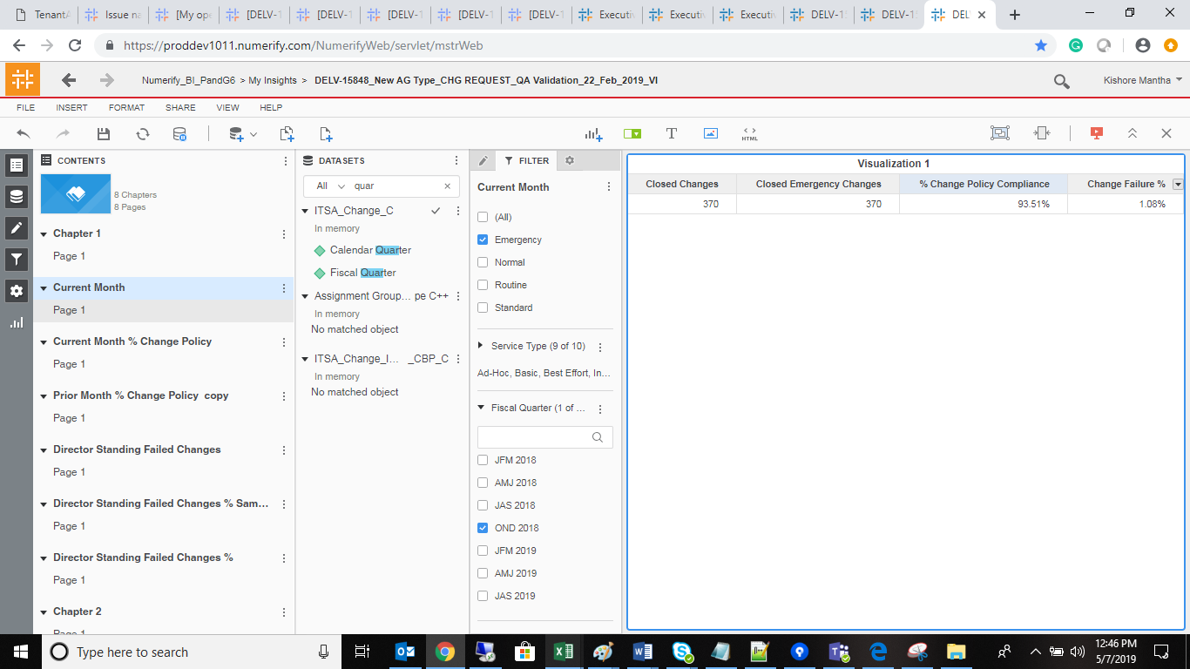
INDEX

TC_No | Test Case | Test Description | Expected Result | Actual Result | Result | Defect JIRA # | Comments
1 | DELV-17273 | P&G: DEFECT 204-operating system field on device details is not pulling data | Please remove Operating System column from Device Details report and other reports if in case used. | Please remove Operating System column from Device Details report and other reports if in case used. | Pass

